Instructions
Instructions for making a Procurement Plan | See Ch.4 in the Procurement Manual for additional guidance.

The Procurement Plan shall answer the questions of what to buy, when to buy, estimated prices and how to buy.

A Procurement Plan shall be drafted as a part of the project application. This is to ensure that all procurement and logistic costs are included in the budget and that procurement time constraints are considered in the activity plan. It is the responsibility of the Procurement Committee to ensure that the Procurement Plan is prepared and followed.

The Procurement Plan is a dynamic planning tool which will change during the project period. Make sure to document the process and the development of the Procurement Plan by saving a version of each updated excel sheet.

The procurement plan should be developed jointly by programme and logistics, ideally with the assistance of a finance colleague. In cooperation with relevant project staff, it shall be established which resources are required to be procured (supplies, services, works). At the stage of preparing a procurement plan, it is important to determine the minimum technical specifications. Moreover considerations regarding the use of e.g. community involved procurement, Framework Contracts, vouchers etc. shall be integrated in the procurement plan.

1) Group resources into lots
What is a lot?
Preparing of lots Preparing lots is the process of grouping resources which can be purchased from one contractor in order to obtain the best quality and prices for the required resources for a project. In other contexts the same resources may have to be purchased separately as the suppliers in the market have more specific product groups and will not be able to deliver various resources.

To do this exercise, it is recommended that you paste the budget into the "budget" tab in this document for easy reference. You can do the same with the activity plan/narrative budget.

Example: Most markets are structured in a way that does not allow us to purchase motorcycles and computers from the same supplier.
Thus there would be two lots - one for the computers and one for the motorcycles. However, in Cambodia a Procurement Officer found
that he could purchase both the computers and the motorcycles from the same supplier, and thus in this contexts it was one lot.

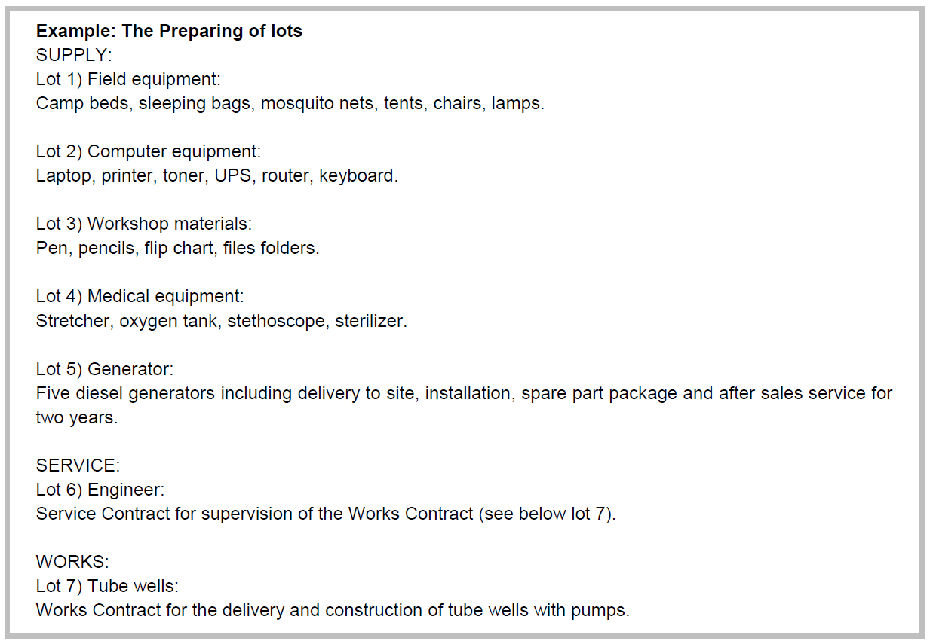

2) Define procurement procedures
In the supporting info tab in this document you will find the manual thresholds. If your office have different thresholds, paste yours in for easy reference.
Review the timeline for each procedure (in the supporting info tab) and add time for delivery depending on local suppliers. Combined, this will give you a start date for when to initiate the procurement processes.

4) Post the Advertisement of Business Opportunities
Once you know what you will be procuring for this specific project, post an advertisement of business opportunities. See Proc. Manual for more info.

